AIR-Connectors
 | Editor: Pablo Oyarzo
 | Last Rev : Mar. 13th |  |  |  |  |  |  | ¥0
ITEM | Model | Color | QTY Requested | Part number | Price （RMB） | Price （US$） | Sub Total (US$) | Picture | Comment | Quality level | Remark

BATTERY CONNECTOR [MALE] | IPHONE 11 |  | 10 |  | ¥2.50 | $0.36 | $3.62

 | IPHONE 11 PRO MAX |  | 10 |  | ¥2.50 | $0.36 | $3.62

 | IPHONE 12 |  | 10 |  | ¥2.50 | $0.36 | $3.62

 | IPHONE 12 PRO MAX |  | 10 |  | ¥2.50 | $0.36 | $3.62

BATTERY CONNECTOR [FEMALE] | IPHONE 11 |  | 50 |  | ¥2.50 | $0.36 | $18.12 | 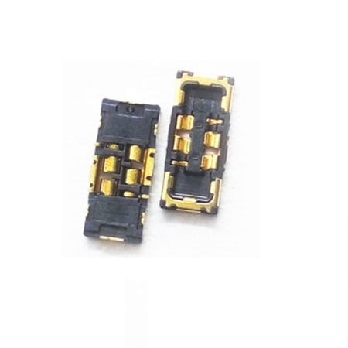

 | IPHONE 11 PRO MAX |  | 20 |  | ¥2.50 | $0.36 | $7.25

 | IPHONE 12 |  | 10 |  | ¥2.50 | $0.36 | $3.62

 | IPHONE 12 PRO MAX |  | 10 |  | ¥2.80 | $0.41 | $4.06

DISPLAY EXTENSION FLEX | IPHONE 8 |  | 15 |  | ¥7.00 | $1.01 | $15.22 | 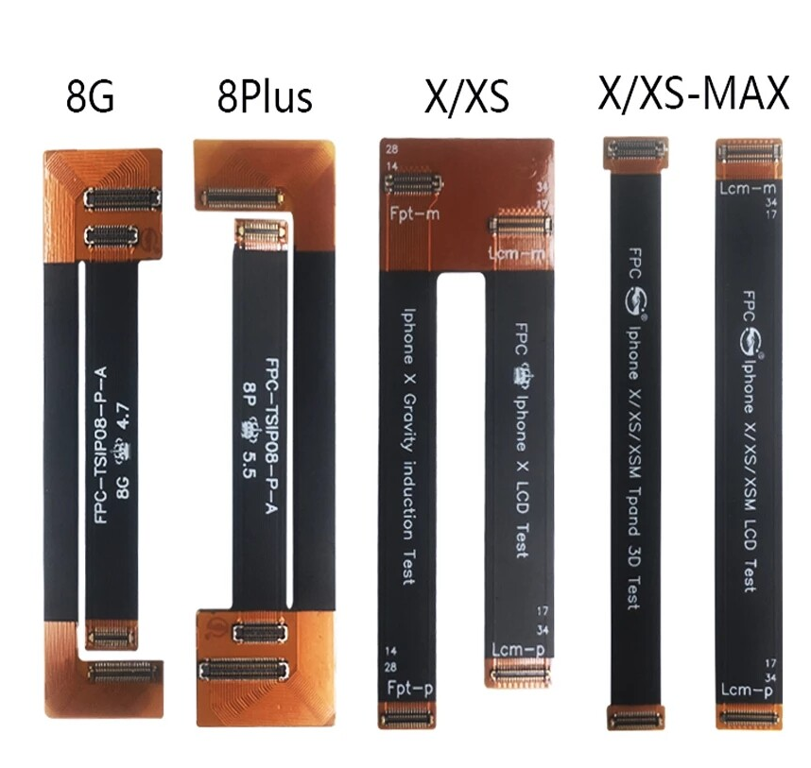

 | IPHONE 8 PLUS |  | 5 |  | ¥7.00 | $1.01 | $5.07

 | IPHONE X - XS |  | 5 |  | ¥8.50 | $1.23 | $6.16

 | IPHONE XR |  | 15 |  | ¥8.50 | $1.23 | $18.48

 | IPHONE 11 |  | 15 |  | ¥10.00 | $1.45 | $21.74

 | IPHONE 11 PRO MAX |  | 15 |  | ¥10.00 | $1.45 | $21.74

 | IPHONE 12 |  | 15 |  | ¥13.00 | $1.88 | $28.26

 | IPHONE 12 Mini |  | 5 |  | ¥13.00 | $1.88 | $9.42

 | IPHONE 12 PRO MAX |  | 15 |  | ¥13.00 | $1.88 | $28.26

PCB DISPLAY CONNECTORS [MALE] | IPHONE 8 | N/A | 20 |  | ¥2.00 | $0.29 | $5.80

 | IPHONE 8 PLUS |  | 20 |  | ¥2.50 | $0.36 | $7.25

 | IPHONE XR |  | 20 |  | ¥2.50 | $0.36 | $7.25

 | IPHONE 11 |  | 20 |  | ¥2.50 | $0.36 | $7.25

 | IPHONE 12 |  | 20 |  | ¥2.50 | $0.36 | $7.25

 | IPHONE 12 PRO MAX |  | 20 |  | ¥2.80 | $0.41 | $8.12

PCB TOUCH CONNECTORS [MALE] | IPHONE 8 | N/A | 20 |  | ¥2.00 | $0.29 | $5.80

 | IPHONE 8 PLUS |  | 20 |  | ¥2.00 | $0.29 | $5.80

 | IPHONE XR |  | 20 |  | ¥2.50 | $0.36 | $7.25

 | IPHONE 11 |  | 20 |  | ¥2.50 | $0.36 | $7.25

 | IPHONE 12 |  | 20 |  | ¥2.80 | $0.41 | $8.12

 | IPHONE 12 PRO MAX |  | 20 |  | ¥2.80 | $0.41 | $8.12

FFC-FPC Connector PCB | 10pin |  | 150 |  |  |  |  | 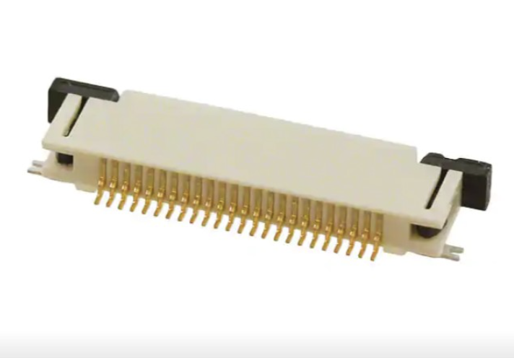 | eash specification has slight difference and a little bit complicated, supplier provide the pictures FYI; | GREATEST QUALITY

 | 20pin |  | 50

 | 54pin |  | 100

 | 60pin |  | 100

FFC-FPC Ribbon (100mm length) | 10pin | BLACK | 50 |  |  |  |  | 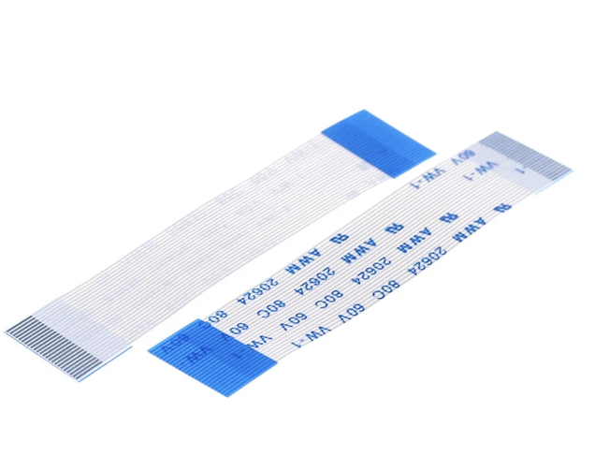 | eash specification has slight difference and a little bit complicated, supplier provide the pictures FYI;

 | 20pin | BLACK | 50

 | 54pin | BLACK | 50

 | 60pin | BLACK | 50 |  | ¥4.00 | $0.58 | $28.99

FLEXES CONNECTORS [iPhone 8] | Side Key Flex Connector [MALE] | N/A | 20 | L023203 | ¥2.50 | $0.36 | $7.25 |  | DMI5 Doc

 | Side Key Flex Connector [FEMALE] |  | 20 | L023131 | ¥2.50 | $0.36 | $7.25

 | Wireless Charger Flex Connector [MALE] |  | 20 | L023207 | ¥2.80 | $0.41 | $8.12

 | Wireless Charger Flex Connector [FEMALE] |  | 20 | L023145 | ¥2.80 | $0.41 | $8.12

 | Charging Port Flex Connector [MALE] |  | 20 | L023208 | ¥2.80 | $0.41 | $8.12

 | Charging Port Flex Connector [FEMALE] |  | 20 | L023109 | ¥2.80 | $0.41 | $8.12

FLEXES CONNECTORS [iPhone 8 Plus] | PCBA Side Key Connector [MALE] | N/A | 10 | L025297 | ¥2.50 | $0.36 | $3.62 |  | DMI5 Doc

 | Side Key Flex Connector [FEMALE] |  | 10 | L025117 | ¥2.50 | $0.36 | $3.62

 | PCBA Wireless Charger Connector [MALE] |  | 10 | L025192 | ¥2.80 | $0.41 | $4.06

 | Wireless Charger Flex Connector [FEMALE] |  | 10 | L025165 | ¥2.80 | $0.41 | $4.06

 | PCBA Charging Port Connector [MALE] |  | 10 | L025193 | ¥2.80 | $0.41 | $4.06

 | Charging Port Flex Connector [FEMALE] |  | 10 | L025103 | ¥2.80 | $0.41 | $4.06

FLEXES CONNECTORS [iPhone X] | PCBA Power Key Connector [MALE] | N/A | 10 | L010197 | ¥2.50 | $0.36 | $3.62 |  | DMI5 Doc [L010199 PLEASE CHECK, in doc says its male, but its female]

 | Power Key Flex Connector [FEMALE] |  | 10 | L010154 | ¥2.80 | $0.41 | $4.06

 | PCBA Wireless Charger / Volume Key Connector [MALE] |  | 10 | L010192 | ¥2.80 | $0.41 | $4.06

 | Wireless Charger / Volume Key Flex Connector [FEMALE] |  | 10 | L010169 | ¥2.80 | $0.41 | $4.06

 | PCBA Charging Port Connector [FEMALE] |  | 10 | L010199 | ¥2.50 | $0.36 | $3.62

 | Charging Port Flex Connector [MALE] |  | 10 | L010135 | ¥2.50 | $0.36 | $3.62

FLEXES CONNECTORS [iPhone XS] | PCBA Power Key Connector [MALE] | N/A | 10 | L011190 | ¥2.50 | $0.36 | $3.62 |  | Airlink Doc [L011192 PLEASE CHECK, in doc says its male, but its female]

 | Power Key Flex Connector [FEMALE] |  | 10 | L011139 | ¥2.80 | $0.41 | $4.06

 | PCBA Wireless Charger / Volume Key Connector [MALE] |  | 10 | L011185 | ¥2.80 | $0.41 | $4.06

 | Wireless Charger / Volume Key Flex Connector [FEMALE] |  | 10 | L011156 | ¥2.80 | $0.41 | $4.06

 | PCBA Charging Port Connector [FEMALE] |  | 10 | L011192 | ¥2.50 | $0.36 | $3.62

 | Charging Port Flex Connector [MALE] |  | 10 | L011125 | ¥2.50 | $0.36 | $3.62

FLEXES CONNECTORS [iPhone XR] | PCBA Side Key Connector [MALE] | N/A | 30 | L010596 | ¥2.50 | $0.36 | $10.87 |  | Airlink Doc [L010598 PLEASE CHECK, in doc says its male, but its female]

 | Power Key Flex Connector [FEMALE] |  | 30 | L010690 | ¥2.50 | $0.36 | $10.87

 | PCBA Wireless Charger Connector [MALE] |  | 30 | L010597 | ¥2.80 | $0.41 | $12.17

 | Wireless Charger Flex Connector [FEMALE] |  | 30 | L010729 | ¥2.80 | $0.41 | $12.17

 | PCBA Charging Port Connector [FEMALE] |  | 30 | L010598 | ¥2.80 | $0.41 | $12.17

 | Charging Port Flex Connector [MALE] |  | 30 | L010665 | ¥2.80 | $0.41 | $12.17

FLEXES CONNECTORS [iPhone 11] | PCBA Volume Key Connector [FEMALE] | N/A | 50 | L018095 | ¥2.30 | $0.33 | $16.67 |  | DM5i Doc [L018095,L018092 PLEASE CHECK, in doc says its male, but its female]

 | Volume Key Flex Connector [MALE] |  | 50 | L018252 | ¥2.30 | $0.33 | $16.67

 | PCBA Power Key Connector [FEMALE] |  | 50 | L018093 | ¥2.30 | $0.33 | $16.67

 | Power Key Flex Connector [MALE] |  | 50 | L018283 | ¥2.30 | $0.33 | $16.67

 | PCBA Wireless Charger Connector [FEMALE] |  | 50 | L018092 | ¥2.30 | $0.33 | $16.67

 | Wireless Charger Flex Connector [MALE] |  | 50 | L018120 | ¥2.30 | $0.33 | $16.67

 | PCBA Charging Port Connector #1 [FEMALE] |  | 50 | L018089 | ¥3.80 | $0.55 | $27.54

 | Charging Port Flex #1 Connector [MALE] |  | 50 | L018218 | ¥3.60 | $0.52 | $26.09

 | PCBA Charging Port Connector #2 [FEMALE] |  | 50 | L018090 | ¥3.60 | $0.52 | $26.09

 | Charging Port Flex #2 Connector [MALE] |  | 50 | L018219 | ¥3.60 | $0.52 | $26.09

FLEXES CONNECTORS [iPhone 12] | PCBA Wireless, Side Key & NFC Connector [FEMALE] | N/A | 30 | L060436 | ¥3.50 | $0.51 | $15.22 |  | DM5i Doc [L018095,L018092 PLEASE CHECK, in doc says its male, but its female]

 | Wireless, Side Key & NFC Flex Connector [MALE] |  | 30 | L060656 | ¥3.50 | $0.51 | $15.22

 | PCBA Charging Port Connector [FEMALE] |  | 30 | L060447 | ¥3.80 | $0.55 | $16.52

 | Charging Port Flex Connector [MALE] |  | 30 | L060597 | ¥3.80 | $0.55 | $16.52

AIR-Pop Pins
 | Editor: Pablo Oyarzo
 | Last Rev : Mar. 13th |  |  |  |  |  | $0.00 | ¥0
ITEM | Model | Color | QTY Requested | Part number | Price （RMB） | Price （US$） | Sub Total (US$) | Picture | Comment | Quality level | Remark

Pogo Pin | Through Hole Inline Pogo Pin Header .1" Spacing |  | 100 |  |  |  |  | 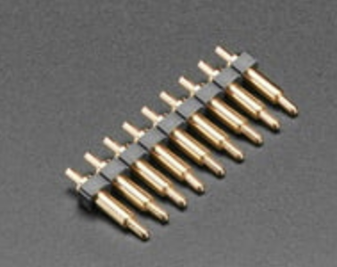 | I need a good variaety to have pieces to work with, please anotate the models and where they came from the idea is to buy more of what works | GREATEST QUALITY

Pogo Pin | Through Hole Dual Inline Pogo Pin Header - 2x3 with 0.1" Spacing |  | 100 |  |  |  |  | 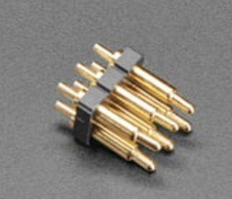 | I need a good variaety to have pieces to work with, please anotate the models and where they came from the idea is to buy more of what works | GREATEST QUALITY

Pogo Pin | Pogo Pins "Needle Head" P75-B1 |  | 100 |  |  |  |  | 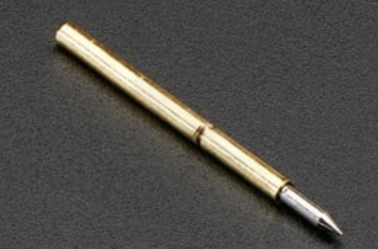 | I need a good variaety to have pieces to work with, please anotate the models and where they came from the idea is to buy more of what works | GREATEST QUALITY

Pogo Pins | Pogo Pins "Cupped Head" P75-A2 |  | 20 |  |  |  |  | 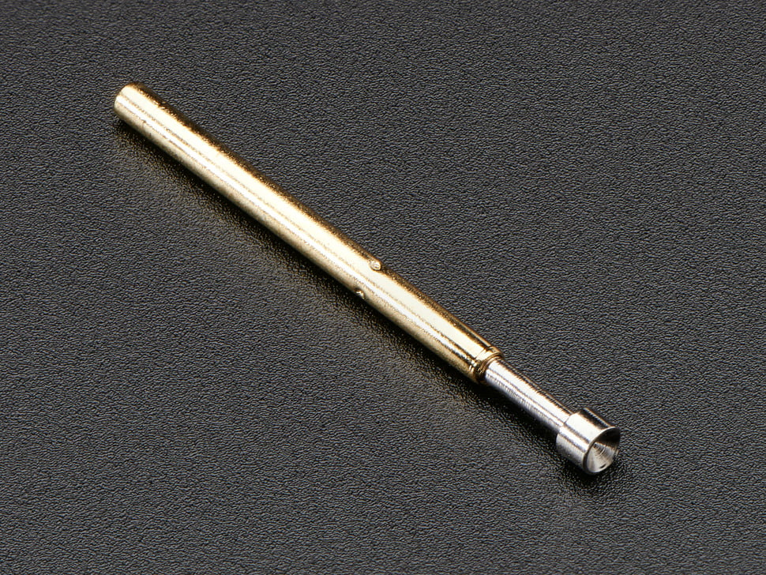 | I need a good variaety to have pieces to work with, please anotate the models and where they came from the idea is to buy more of what works | GREATEST QUALITY

FFC-FPC Connector PCB | 10pin |  | 150 |  |  |  |  |  |  | GREATEST QUALITY

 | 20pin |  | 50

 | 54pin |  | 100

 | 60pin |  | 100

FFC-FPC Ribbon (100mm length) | 10pin | BLACK | 50

 | 20pin | BLACK | 50

 | 54pin | BLACK | 50

 | 60pin | BLACK | 50

OCEAN-3D Filament
 | Editor: Pablo Oyarzo
 | Last Rev : Mar. 13th
ITEM | Model | Color | QTY Requested | Part number | Price （RMB） | Price （US$） | Sub Total (US$) | Picture | Remark | Quality level | Remark

3D Filament | PC 1.75mm | White | 10 |  |  |  |  | 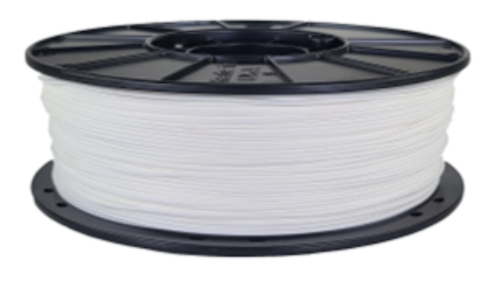 |  | 3600

 |  | Light Gray | 10

 |  | Black | 10

3D Filament | ABS 1.75mm | White | 10 |  |  |  |  |  |  | 3600

 |  | Light Gray | 10

 |  | Black | 10

3D Filament | PETG 1.75mm | White | 10 |  |  |  |  |  |  | 3600

 |  | Light Gray | 10

 |  | Black | 10

